Daily Power Station Chart_14-01
Plant_26/07/2025Chart

Plant:odco1 |  |  | Installed Capacity:111.180kWp
Today Yield(kWh):541.300kWh |  | Today Earning:216520.000TND |  | Today Full Load Hours(h):4.87h

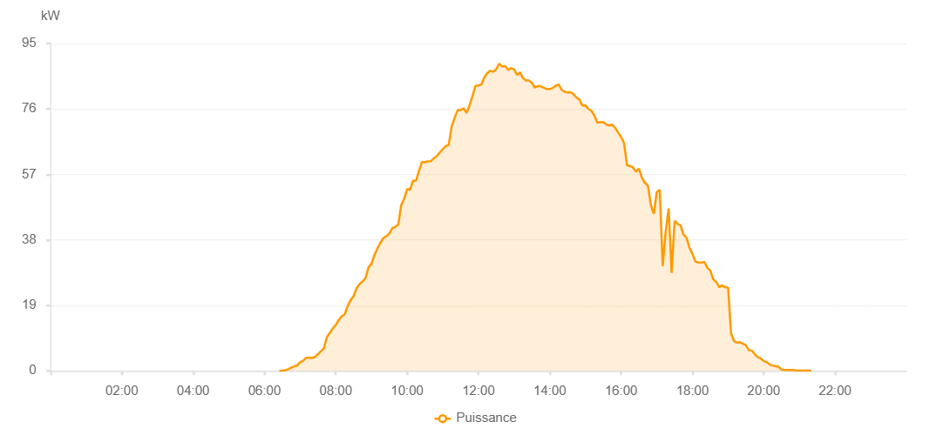

Number | Time | Working State | PV(W) | Instantaneous Radiation(W/㎡)
1 | 06:25:00 | Online | 20.00000 | 0
2 | 06:30:00 | Online | 90.00000 | 0
3 | 06:35:00 | Online | 170.00000 | 2.00000
4 | 06:40:00 | Online | 480.00000 | 3.00000
5 | 06:45:00 | Online | 890.00000 | 7.00000
6 | 06:50:00 | Online | 1290.00000 | 12.00000
7 | 06:55:00 | Online | 1530.00000 | 19.00000
8 | 07:00:00 | Online | 2510.00000 | 23.00000
9 | 07:05:00 | Online | 2910.00000 | 26.00000
10 | 07:10:00 | Online | 3760.00000 | 34.00000
11 | 07:15:00 | Online | 3770.00000 | 39.00000
12 | 07:20:00 | Online | 3720.00000 | 39.00000
13 | 07:25:00 | Online | 4040.00000 | 38.00000
14 | 07:30:00 | Online | 4810.00000 | 46.00000
15 | 07:35:00 | Online | 5710.00000 | 61.00000
16 | 07:40:00 | Online | 6500.00000 | 76.00000
17 | 07:45:00 | Online | 9820.00000 | 90.00000
18 | 07:50:00 | Online | 11050.00000 | 101.00000
19 | 07:55:00 | Online | 12300.00000 | 113.00000
20 | 08:00:00 | Online | 13320.00000 | 127.00000
21 | 08:05:00 | Online | 14770.00000 | 139.00000
22 | 08:10:00 | Online | 15800.00000 | 158.00000
23 | 08:15:00 | Online | 16440.00000 | 178.00000
24 | 08:20:00 | Online | 18820.00000 | 189.00000
25 | 08:25:00 | Online | 20540.00000 | 201.00000
26 | 08:30:00 | Online | 21710.00000 | 223.00000
27 | 08:35:00 | Online | 23970.00000 | 246.00000
28 | 08:40:00 | Online | 25200.00000 | 257.00000
29 | 08:45:00 | Online | 25940.00000 | 273.00000
30 | 08:50:00 | Online | 26830.00000 | 286.00000
31 | 08:55:00 | Online | 30020.00000 | 303.00000
32 | 09:00:00 | Online | 31080.00000 | 317.00000
33 | 09:05:00 | Online | 33610.00000 | 333.00000
34 | 09:10:00 | Online | 35490.00000 | 355.00000
35 | 09:15:00 | Online | 37180.00000 | 372.00000
36 | 09:20:00 | Online | 38520.00000 | 387.00000
37 | 09:25:00 | Online | 39080.00000 | 406.00000
38 | 09:30:00 | Online | 39810.00000 | 408.00000
39 | 09:35:00 | Online | 41410.00000 | 422.00000
40 | 09:40:00 | Online | 41760.00000 | 454.00000
41 | 09:45:00 | Online | 42420.00000 | 460.00000
42 | 09:50:00 | Online | 48030.00000 | 467.00000
43 | 09:55:00 | Online | 49940.00000 | 491.00000
44 | 10:00:00 | Online | 52770.00000 | 514.00000
45 | 10:05:00 | Online | 52530.00000 | 551.00000
46 | 10:10:00 | Online | 55200.00000 | 547.00000
47 | 10:15:00 | Online | 55230.00000 | 566.00000
48 | 10:20:00 | Online | 58050.00000 | 567.00000
49 | 10:25:00 | Online | 60630.00000 | 595.00000
50 | 10:30:00 | Online | 60520.00000 | 613.00000
51 | 10:35:00 | Online | 60790.00000 | 618.00000
52 | 10:40:00 | Online | 60870.00000 | 622.00000
53 | 10:45:00 | Online | 61690.00000 | 628.00000
54 | 10:50:00 | Online | 62320.00000 | 645.00000
55 | 10:55:00 | Online | 63370.00000 | 657.00000
56 | 11:00:00 | Online | 64330.00000 | 683.00000
57 | 11:05:00 | Online | 65160.00000 | 690.00000
58 | 11:10:00 | Online | 65600.00000 | 726.00000
59 | 11:15:00 | Online | 70980.00000 | 730.00000
60 | 11:20:00 | Online | 73440.00000 | 728.00000
61 | 11:25:00 | Online | 75660.00000 | 755.00000
62 | 11:30:00 | Online | 75670.00000 | 769.00000
63 | 11:35:00 | Online | 76200.00000 | 767.00000
64 | 11:40:00 | Online | 74830.00000 | 770.00000
65 | 11:45:00 | Online | 77080.00000 | 731.00000
66 | 11:50:00 | Online | 79770.00000 | 771.00000
67 | 11:55:00 | Online | 82710.00000 | 794.00000
68 | 12:00:00 | Online | 82790.00000 | 821.00000
69 | 12:05:00 | Online | 83140.00000 | 821.00000
70 | 12:10:00 | Online | 85200.00000 | 834.00000
71 | 12:15:00 | Online | 86430.00000 | 846.00000
72 | 12:20:00 | Online | 87090.00000 | 856.00000
73 | 12:25:00 | Online | 86780.00000 | 868.00000
74 | 12:30:00 | Online | 87580.00000 | 857.00000
75 | 12:35:00 | Online | 89170.00000 | 886.00000
76 | 12:40:00 | Online | 88300.00000 | 879.00000
77 | 12:45:00 | Online | 88440.00000 | 882.00000
78 | 12:50:00 | Online | 87340.00000 | 888.00000
79 | 12:55:00 | Online | 87820.00000 | 873.00000
80 | 13:00:00 | Online | 87530.00000 | 881.00000
81 | 13:05:00 | Online | 85840.00000 | 862.00000
82 | 13:10:00 | Online | 86610.00000 | 841.00000
83 | 13:15:00 | Online | 84950.00000 | 851.00000
84 | 13:20:00 | Online | 84280.00000 | 841.00000
85 | 13:25:00 | Online | 84300.00000 | 831.00000
86 | 13:30:00 | Online | 83500.00000 | 834.00000
87 | 13:35:00 | Online | 82180.00000 | 813.00000
88 | 13:40:00 | Online | 82700.00000 | 816.00000
89 | 13:45:00 | Online | 82540.00000 | 825.00000
90 | 13:50:00 | Online | 82140.00000 | 817.00000
91 | 13:55:00 | Online | 81760.00000 | 742.00000
92 | 14:00:00 | Online | 81780.00000 | 813.00000
93 | 14:05:00 | Online | 82080.00000 | 812.00000
94 | 14:10:00 | Online | 82750.00000 | 813.00000
95 | 14:15:00 | Online | 83110.00000 | 825.00000
96 | 14:20:00 | Online | 81550.00000 | 811.00000
97 | 14:25:00 | Online | 80970.00000 | 798.00000
98 | 14:30:00 | Online | 80810.00000 | 799.00000
99 | 14:35:00 | Online | 80850.00000 | 796.00000
100 | 14:40:00 | Online | 80260.00000 | 791.00000
101 | 14:45:00 | Online | 79290.00000 | 784.00000
102 | 14:50:00 | Online | 78680.00000 | 775.00000
103 | 14:55:00 | Online | 76930.00000 | 764.00000
104 | 15:00:00 | Online | 77060.00000 | 755.00000
105 | 15:05:00 | Online | 75990.00000 | 757.00000
106 | 15:10:00 | Online | 75490.00000 | 741.00000
107 | 15:15:00 | Online | 74110.00000 | 731.00000
108 | 15:20:00 | Online | 72010.00000 | 714.00000
109 | 15:25:00 | Online | 72180.00000 | 699.00000
110 | 15:30:00 | Online | 72230.00000 | 701.00000
111 | 15:35:00 | Online | 71490.00000 | 701.00000
112 | 15:40:00 | Online | 71190.00000 | 692.00000
113 | 15:45:00 | Online | 71440.00000 | 690.00000
114 | 15:50:00 | Online | 70510.00000 | 699.00000
115 | 15:55:00 | Online | 69140.00000 | 677.00000
116 | 16:00:00 | Online | 67840.00000 | 656.00000
117 | 16:05:00 | Online | 66090.00000 | 628.00000
118 | 16:10:00 | Online | 59610.00000 | 600.00000
119 | 16:15:00 | Online | 59470.00000 | 583.00000
120 | 16:20:00 | Online | 59030.00000 | 578.00000
121 | 16:25:00 | Online | 57790.00000 | 565.00000
122 | 16:30:00 | Online | 58670.00000 | 563.00000
123 | 16:35:00 | Online | 56000.00000 | 567.00000
124 | 16:40:00 | Online | 54540.00000 | 544.00000
125 | 16:45:00 | Online | 53770.00000 | 530.00000
126 | 16:50:00 | Online | 48180.00000 | 527.00000
127 | 16:55:00 | Online | 45530.00000 | 533.00000
128 | 17:00:00 | Online | 51890.00000 | 452.00000
129 | 17:05:00 | Online | 52520.00000 | 487.00000
130 | 17:10:00 | Online | 30410.00000 | 517.00000
131 | 17:15:00 | Online | 40420.00000 | 288.00000
132 | 17:20:00 | Online | 47110.00000 | 296.00000
133 | 17:25:00 | Online | 28400.00000 | 359.00000
134 | 17:30:00 | Online | 43560.00000 | 275.00000
135 | 17:35:00 | Online | 42630.00000 | 399.00000
136 | 17:40:00 | Online | 42270.00000 | 385.00000
137 | 17:45:00 | Online | 39540.00000 | 372.00000
138 | 17:50:00 | Online | 38660.00000 | 351.00000
139 | 17:55:00 | Online | 35730.00000 | 246.00000
140 | 18:00:00 | Online | 33990.00000 | 314.00000
141 | 18:05:00 | Online | 31720.00000 | 280.00000
142 | 18:10:00 | Online | 31440.00000 | 234.00000
143 | 18:15:00 | Online | 31410.00000 | 232.00000
144 | 18:20:00 | Online | 31610.00000 | 225.00000
145 | 18:25:00 | Online | 29890.00000 | 224.00000
146 | 18:30:00 | Online | 29120.00000 | 192.00000
147 | 18:35:00 | Online | 26540.00000 | 178.00000
148 | 18:40:00 | Online | 25800.00000 | 127.00000
149 | 18:45:00 | Online | 24270.00000 | 114.00000
150 | 18:50:00 | Online | 24770.00000 | 100.00000
151 | 18:55:00 | Online | 24290.00000 | 101.00000
152 | 19:00:00 | Online | 24090.00000 | 101.00000
153 | 19:05:00 | Online | 10860.00000 | 92.00000
154 | 19:10:00 | Online | 8630.00000 | 84.00000
155 | 19:15:00 | Online | 8200.00000 | 65.00000
156 | 19:20:00 | Online | 8310.00000 | 63.00000
157 | 19:25:00 | Online | 7830.00000 | 65.00000
158 | 19:30:00 | Online | 7430.00000 | 56.00000
159 | 19:35:00 | Online | 5990.00000 | 49.00000
160 | 19:40:00 | Online | 5850.00000 | 46.00000
161 | 19:45:00 | Online | 4800.00000 | 44.00000
162 | 19:50:00 | Online | 3950.00000 | 38.00000
163 | 19:55:00 | Online | 3600.00000 | 31.00000
164 | 20:00:00 | Online | 2820.00000 | 28.00000
165 | 20:05:00 | Online | 2540.00000 | 23.00000
166 | 20:10:00 | Online | 1790.00000 | 19.00000
167 | 20:15:00 | Online | 1550.00000 | 15.00000
168 | 20:20:00 | Online | 1350.00000 | 11.00000
169 | 20:25:00 | Online | 1180.00000 | 9.00000
170 | 20:30:00 | Online | 360.00000 | 6.00000
171 | 20:35:00 | Online | 280.00000 | 3.00000
172 | 20:40:00 | Online | 230.00000 | 1.00000
173 | 20:45:00 | Online | 230.00000 | 1.00000
174 | 20:50:00 | Online | 230.00000 | 0
175 | 20:55:00 | Online | 40.00000 | 0
176 | 21:00:00 | Online | 40.00000 | 0
177 | 21:05:00 | Online | 40.00000 | 0
178 | 21:10:00 | Online | 40.00000 | 0
179 | 21:15:00 | Online | 40.00000 | 0
180 | 21:20:00 | Online | 40.00000 | 0
181 | 21:45:00 | Online | 0.00001 | 0.00001

